Overview
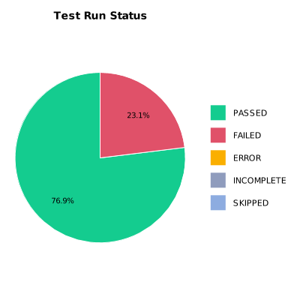
EXECUTION SUMMARY
Test Run ID | 1013
Status | FAILED
Organization | FIT@HCMUS
Team | First Team
Project | First Project
By | Cao Qui
Start Time | 01/08/2024 14:59:59 +00:00
Duration | 0:08:22.485

TEST RESULTS
Total test results | 13
Passed | 10
Failed | 3
Error | 0
Incomplete | 0
Skipped | 0

